Few_PittaDominantVikaras_Reanal
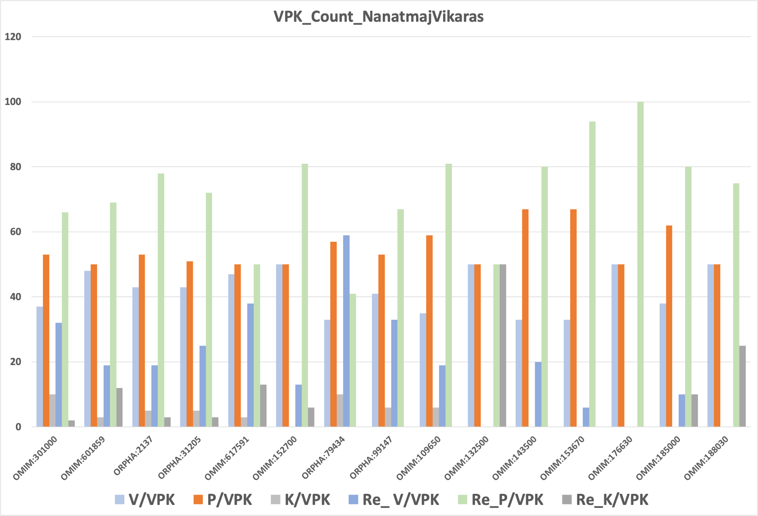
Initial Annotation |  |  |  |  |  |  |  |  |  |  | Re-annotation
OMIM/ORPHA_ID | Ayurveda_Term | HPO_Term | V_Count | P_Count | K_Count | V/VPK | P/VPK | K/VPK | Assign | Present |  | V_Count | P_Count | K_Count | Sum | V/VPK | P/VPK | K/VPK | Assign
OMIM:301000 |  | Epistaxis | 22 | 31 | 6 | 37 | 53 | 10 | P | V_P_Sheet |  | 14 | 29 | 1 | 44 | 32 | 66 | 2 | P
OMIM:601859 | udard | Urticaria | 19 | 20 | 1 | 48 | 50 | 3 | P | K_Sheet |  | 5 | 18 | 3 | 26 | 19 | 69 | 12 | P
ORPHA:2137 | Jaundice |  | 17 | 21 | 2 | 43 | 53 | 5 | P | V_P_Sheet |  | 6 | 25 | 1 | 32 | 19 | 78 | 3 | P
ORPHA:31205 | vidbheda | Diarrhea | 16 | 19 | 2 | 43 | 51 | 5 | P | V_Sheet |  | 8 | 23 | 1 | 32 | 25 | 72 | 3 | P
OMIM:617591 | Conjunctivitis |  | 17 | 18 | 1 | 47 | 50 | 3 | P | P_Sheet |  | 9 | 12 | 3 | 24 | 38 | 50 | 13 | P
OMIM:152700 |  | Seizure | 11 | 11 | 0 | 50 | 50 | 0 | P | V_Sheet |  | 2 | 13 | 1 | 16 | 13 | 81 | 6 | P
ORPHA:79434 | ghran nash | Anosmia | 7 | 12 | 2 | 33 | 57 | 10 | P | V_Sheet |  | 10 | 7 | 0 | 17 | 59 | 41 | 0 | V
ORPHA:99147 | Epistaxis |  | 14 | 18 | 2 | 41 | 53 | 6 | P | P_Sheet |  | 9 | 18 | 0 | 27 | 33 | 67 | 0 | P
OMIM:109650 | Oral ulcer | Asyapaka | 6 | 10 | 1 | 35 | 59 | 6 | P | P_Sheet |  | 3 | 13 | 0 | 16 | 19 | 81 | 0 | P
OMIM:132500 | Epistaxis | - | 1 | 1 | 0 | 50 | 50 | 0 | P | P_Sheet |  | 0 | 1 | 1 | 2 | 0 | 50 | 50 | P&K
OMIM:143500 | Jaundice | KAMLA | 2 | 4 | 0 | 33 | 67 | 0 | P | P_Sheet |  | 1 | 4 | 0 | 5 | 20 | 80 | 0 | P
OMIM:153670 | Epistaxis |  | 5 | 10 | 0 | 33 | 67 | 0 | P | P_Sheet |  | 1 | 15 | 0 | 16 | 6 | 94 | 0 | P
OMIM:176630 | Bruising susceptibility | ang avadaran | 4 | 4 | 0 | 50 | 50 | 0 | P | P_Sheet |  | 0 | 5 | 0 | 5 | 0 | 100 | 0 | P
OMIM:185000 | Jaundice | KAMLA | 5 | 8 | 0 | 38 | 62 | 0 | P | P_Sheet |  | 1 | 8 | 1 | 10 | 10 | 80 | 10 | P
OMIM:188030 | Abnormal bleeding | jiva dan | 3 | 3 | 0 | 50 | 50 | 0 | P | P_Sheet |  | 0 | 3 | 1 | 4 | 0 | 75 | 25 | P

